Instructions
FINANCIAL REPORT INSTRUCTIONS
 | This ledger is a tool for you to use to track your troops spending and income for the year. It is designed to work in conjuction with the annual troop financial report found in Volunteer Tool Kit (VTK). VTK can be accessed by logging into myGS and clicking the Volunteer Tool Kit tab, if prompted log in and select the Finances.

 | It is recommended when creating your troop budget that Girl Scout Funds should be spent as follows:
 |  | 65% | for the direct benefit of the girls active in the troop at the time money earned
 |  | 25% | may be maintained for a long-term activity planned by the girls
 |  | 10% | may be used to recognize volunteers contributions to the Girl Scout Troop

 | Annual Troop Finance Report
 |  | This report is located under your VTK account and should be submitted annual to GSNETX.
 |  | Along with the numbers from this ledger be prepared to answer the following questions:
 |  |  | 1. How many girls actively participated in your troop this year?
 |  |  | 2. How many girls participated in Fall Product this year by selling 1 or more products?
 |  |  | 3. How many girls participated in the cookie program this year by selling 1 or more products?
 |  |  | 4. Did you enter any expenses in the 'Other' category listed above? If yes, explain:
 |  |  | 5. How many times did troop leadership report financials to the families of Girl Scout troop members?

 | Financial Reporting and Receipts
 |  | Every Girl Scout troop should report out to troop parents about finances at least three times for year. The GSNETX Annual Troop Financial Report is due June 15 of each year and is found in the Volunteer Toolkit in MyGS.
 | Tracking Troop Finances & Receipts
 |  | To stay organized, troop leadership should always use receipts to track incoming funds, outgoing expenses, and cookie activities.
 | Bank Account
 |  | All troops should establish a bank account with two unrelated signers for the collection of optional troop dues, payment for troop supplies and activities, and management of money-earning funds, including those from fall product and the cookie programs. The GSNETX Bank Account Process and links to the forms needed to open and register an account can be found in the Troop & SU Finance section on gsnetx.org/blueprint.
 | Money-Earning Activities
 |  | The Girl Scout Cookie Program and Fall Product Program are the primary money-earning activities for a troop. If a troop is planning on or has previously participated in the GSNETX Cookie Program, they may also opt to participate in a limited number of additional money-earning activities. Details of what activities are allowed (and which are not) can be found in the GSNETX Volunteer Policies and Procedures at gsnetx.org/volunteerpolicies. Troops must submit an GSNETX Activity Approval Form (https://gsnetx.formstack.com/forms/activityapproval) before hosting any other money-earning activities.
 | Tax Exemption
 |  | As a 501(c)3 nonprofit, volunteers can utilize the GSNETX tax-exempt form when purchasing supplies and materials (except at the GSNETX Shop. Most stores have slightly different processes to use the tax-exempt
 |  | form and it is best to check with the customer service desk for information before trying to make a purchase. The tax-exempt form is located at gsnetx.org/forms.
 | Financial Assistance
 |  | Financial need shouldn’t stand in the way of a Girl Scout’s participation. Any member needing financial assistance for membership may request it as part of the registration process. Other
 |  | financial assistance is available for books, badges, uniforms, and programs. More information is available at gsnetx.org/financialassistance.

HOW TO FILL OUT THE LEDGER:

 | When filling out the leadger use the drop down arrow to select the category your income or expense falls under and then put the amount in the amount colum,
 | transaction will then autopopulate into the correct category both on the ledger and on the "Annual Report" tab.

 | After you have completed your ledger you will be able to use the "Annual Report" tab to fill in your VTK Financial Report

Income:
 | Annual Membership Dues |  |  | A
 |  | If a troop collects money from parent to pay towards the annual Girl Scout Member ship ($25) it should be placed here
 |  | Enter annual membership dues for Girl Scouts of the USA that were collected by troop and paid into the troop bank account.

 | Troop Dues |  |  | B
 |  | Enter any dues set and collected directly by the troop. (Troop are not required to set troop dues.)
 |  | Many troops decide to collect troop dues a way to help provide funding for troop activities and supplies. These could range from $3-$5 per meeting to $50-$70 for the entire school year paid all at one time. It’s up to each troop to decide collectively what works best for them.

 | Activities/Events |  |  | C
 |  | Money collected from parents that the troop will use to pay for activities or events

 | Fall Product Program Income |  |  | D
 |  | Enter the amount from the Troop Proceeds and Bonuses line of the Troop Summary Report in the Reports section on the gsnutsandmags.com website (M2 Media Group) used for fall product.
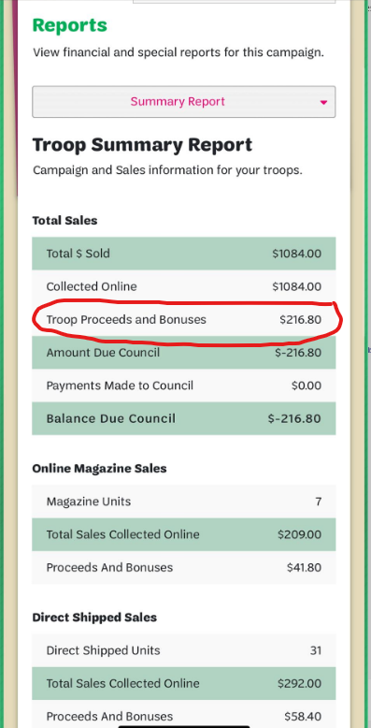

 |  |  |  | E
 | Cookie Program (Troop Proceeds)
 |  | Enter the amount from the Troop Proceeds line at the bottom of the Sales Report in eBudde.
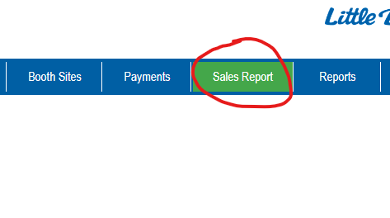

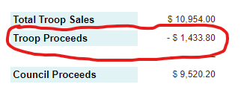

 | Donations Received |  |  | F
 |  | Any money the troop received via donation

 | Other Money-Earning Income |  |  | G
 |  | Any money raised via fundraiser for the troop outside of Fall Product and Cookies (i.e. Journey in a day, spirit day, car wash, yard sales)

Expenses:
 | Annual Membership Dues |  |  | H
 |  | Enter annual membership dues that were paid from the troop bank account to Girl Scouts of the USA for membership.

 | Activities/Events |  |  | I
 |  | Enter the amount spent on activities/event attended by troop

 | Badges/Patches/Girl Awards |  |  | J
 |  | Amount spent on purchasing badges, patches, and/or girl awards

 | Meeting/Troop Supplies |  |  | K
 |  | Amount spent to supply troop with neccessary supplies and/or meeting space

 | Camping/Camp Supplies |  |  | L
 |  | Amount spent on camping location and supplies for troop camping

 | Travel/Trips |  |  | M
 |  | Amount spent on travel and trips for troop

 | Donations Made By Troop |  |  | N
 |  | Amount troop may have donated or spent on philanthropy work

 | Volunteer Awards & Recognitions |  |  | O
 |  | Amount spent on leader awards and recognition

 | Other |  |  | P
 |  | Be sure to explain anything in this box over $0

